Case #1
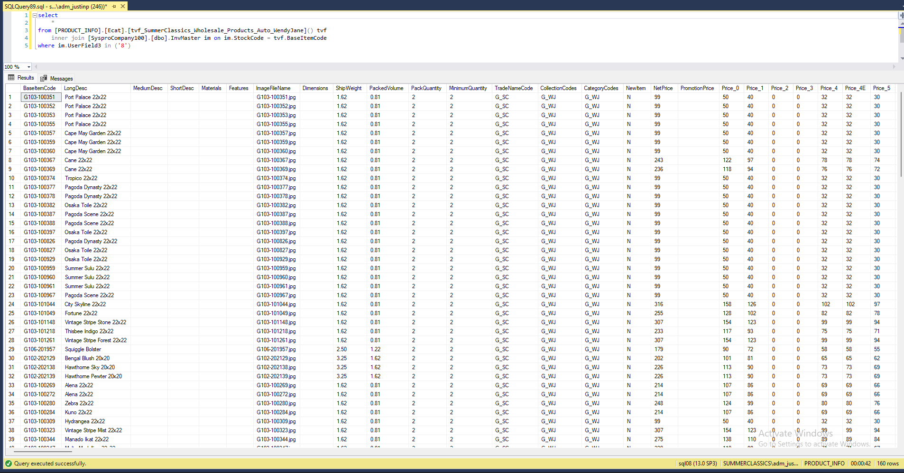
Justin Pope Dev Test
Test Case No. |  | 1
Process |  | Testing: tvf_SummerClassics_Wholesale_Products_Auto_WendyJane
Test Consideration |  | 1) SSMS
Test Condition |  |  | Data Used | How To Verify | Actual Results
Tasks
 |  | Unit Test |  |  | Screen Shots
Configuration/Data Setup for Testing Scenario
Verification
Test Cast Screens Shots Before and After

 | Before
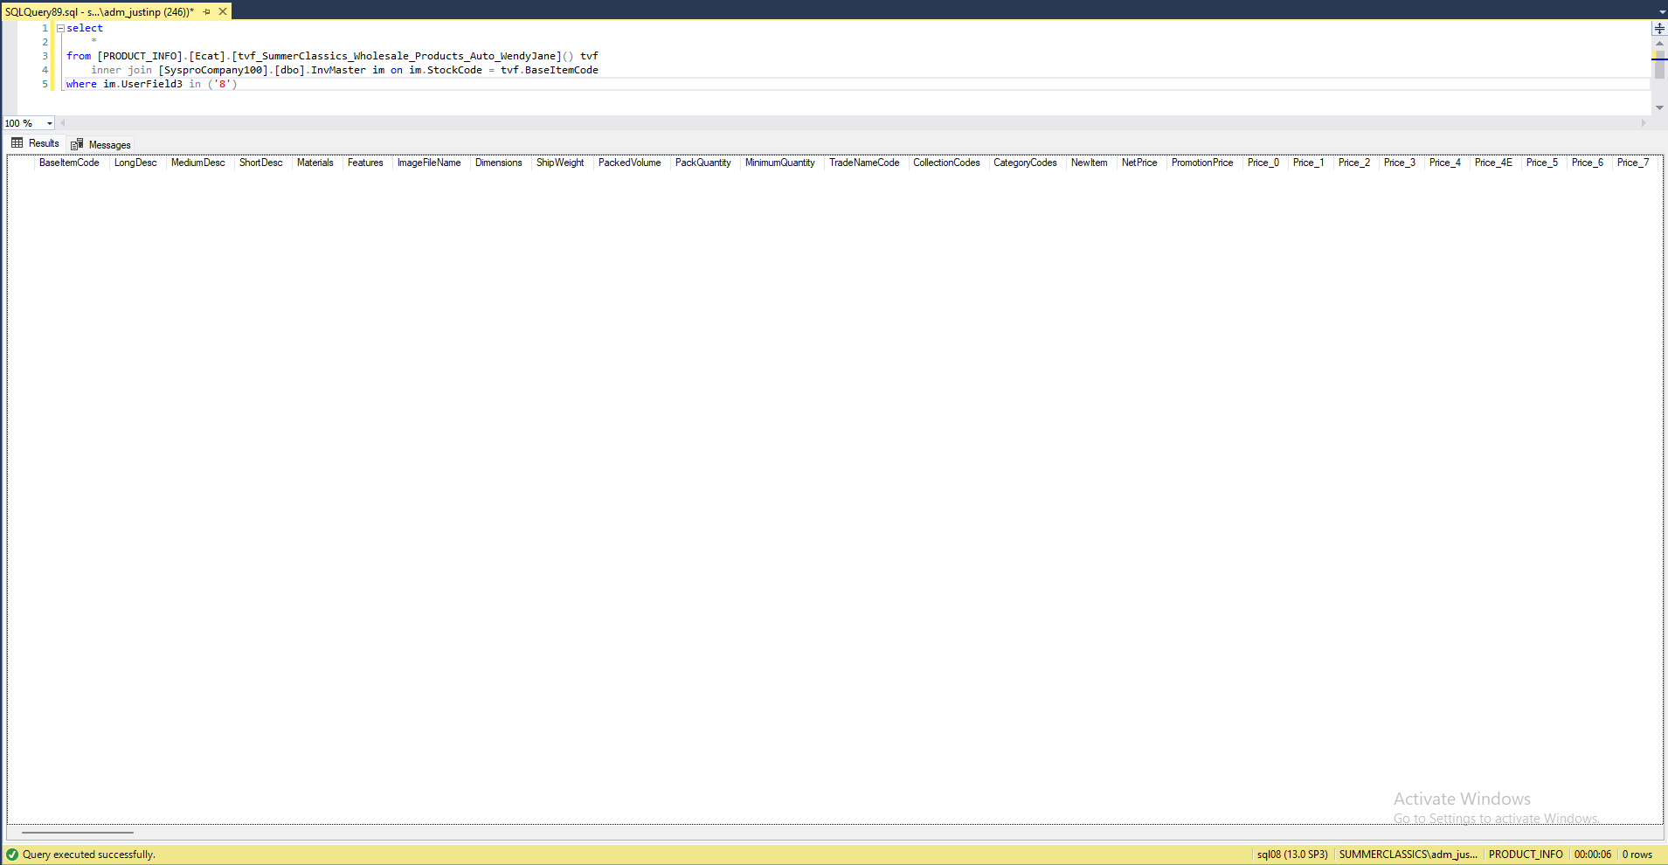

 | After

